Sheet5
 | Column Labels
 | Midmarket |  | Total Sum of Profit | Total Sum of Gross Sales
Row Labels | Sum of Profit | Sum of Gross Sales
High | 92488.6 | 452752.5 | 92488.6 | 452752.5
Low | 96074.15 | 314160 | 96074.15 | 314160
Medium | 115232.45 | 431835 | 115232.45 | 431835
None | 46065 | 138195 | 46065 | 138195
Grand Total | 349860.2 | 1336942.5 | 349860.2 | 1336942.5

 | Column Labels
 | Midmarket |  | Total Sum of Units Sold | Total Sum of Profit
Row Labels | Sum of Units Sold | Sum of Profit
February | 2363 | 11106.1 | 2363 | 11106.1
April | 1614 | 4438.5 | 1614 | 4438.5
June | 2844 | 11660.4 | 2844 | 11660.4
August | 2559 | 7037.25 | 2559 | 7037.25
September | 2688 | 8122.2 | 2688 | 8122.2
October | 4873 | 14601.2 | 4873 | 14601.2
December | 2152 | 10760 | 2152 | 10760
Grand Total | 19093 | 67725.65 | 19093 | 67725.65

 | Column Labels
 | Midmarket |  |  | Total Sum of Discounts | Total Sum of Profit | Total Sum of Gross Sales
Row Labels | Sum of Discounts | Sum of Profit | Sum of Gross Sales
February | 708.9 | 11106.1 | 35445 | 708.9 | 11106.1 | 35445
April | 3631.5 | 4438.5 | 24210 | 3631.5 | 4438.5 | 24210
June | 2559.6 | 11660.4 | 42660 | 2559.6 | 11660.4 | 42660
August | 5757.75 | 7037.25 | 38385 | 5757.75 | 7037.25 | 38385
September | 5317.8 | 8122.2 | 40320 | 5317.8 | 8122.2 | 40320
October | 9763.8 | 14601.2 | 73095 | 9763.8 | 14601.2 | 73095
December | 0 | 10760 | 32280 | 0 | 10760 | 32280
Grand Total | 27739.35 | 67725.65 | 286395 | 27739.35 | 67725.65 | 286395

Sum of Profit | Column Labels
Row Labels | Canada | Grand Total
February | 11106.1 | 11106.1
June | 11660.4 | 11660.4
October | 14601.2 | 14601.2
Grand Total | 37367.7 | 37367.7

Sum of Profit | Column Labels
Row Labels | February | June | October | Grand Total
Canada | 11106.1 | 11660.4 | 14601.2 | 37367.7
Grand Total | 11106.1 | 11660.4 | 14601.2 | 37367.7

 | Sum of Gross Sales | Column Labels
 | Row Labels | August | September | October | Grand Total
 | Canada | 38385 | 40320 | 73095 | 151800
 | France | 31515 | 47535 | 101820 | 180870
 | Germany | 26145 | 11205 | 93600 | 130950
 | Mexico | 29760 | 37080 | 75885 | 142725
 | United States of America | 32970 | 70470 | 44655 | 148095
 | Grand Total | 158775 | 206610 | 389055 | 754440

Sum of Gross Sales | Column Labels
Row Labels | Canada | Grand Total
February | 35445 | 35445
April | 24210 | 24210
June | 42660 | 42660
August | 38385 | 38385
September | 40320 | 40320
October | 73095 | 73095
December | 32280 | 32280
Grand Total | 286395 | 286395

dash
ANALYSIS ON FINANCIAL REPORT OF UNITED NATION OF RETAIL SERVICES

COUNTRYS
SEGMENT
PRODUCTS

PROFIT EARN OVER DIFFERENT DISCOUNT BANDS
TARGETED COMPANY PERFORMANCE OVER MONTH
PROFIT EARN OVER UNIT SOLD

 | Midmarket - Sum of Gross Sales | Midmarket - Sum of Profit
High | 452752.5 | 92488.6
Low | 314160 | 96074.15
Medium | 431835 | 115232.45
None | 138195 | 46065
 | Midmarket - Sum of Gross Sales | Midmarket - Sum of Discounts | Midmarket - Sum of Profit
February | 35445 | 708.9 | 11106.1
April | 24210 | 3631.5 | 4438.5
June | 42660 | 2559.6 | 11660.4
August | 38385 | 5757.75 | 7037.25
September | 40320 | 5317.8 | 8122.2
October | 73095 | 9763.8 | 14601.2
December | 32280 | 0 | 10760
 | Midmarket - Sum of Units Sold | Midmarket - Sum of Profit
February | 2363 | 11106.1
April | 1614 | 4438.5
June | 2844 | 11660.4
August | 2559 | 7037.25
September | 2688 | 8122.2
October | 4873 | 14601.2
December | 2152 | 10760

TOP PROFITED MONTHS
COUNTRY WISW PROFIT
TOP GROSS SALES MONTHS

 | Canada
February | 11106.1
June | 11660.4
October | 14601.2
TOTAL PROFIT
 | Canada
February | 35445
April | 24210
June | 42660
August | 38385
September | 40320
October | 73095
December | 32280
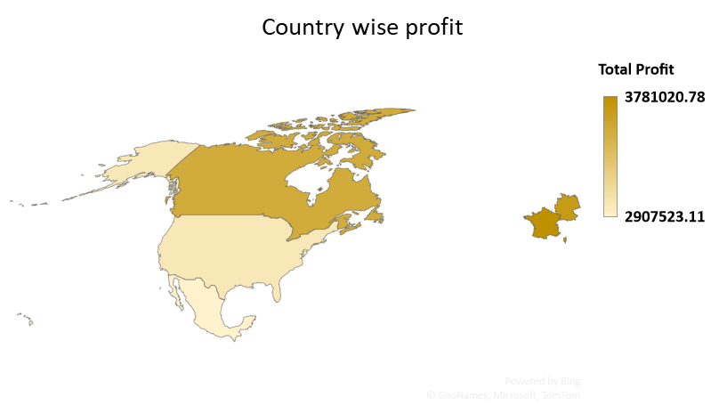
3781020.78

2907523.11

